Hypothesis
Hypothesis
Vulnerable populations are most likely to be hospitalized as a result of contracting the flu. If hospitals are appropriately staffed in areas that have a higher amount of vulnerable population, more deaths can be prevented.
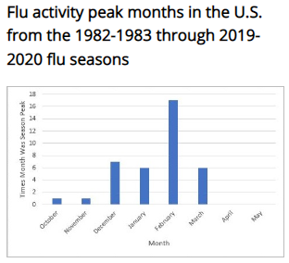

When is flu season?
o https://www.who.int/news-room/fact-sheets/detail/influenza-(seasonal)
In temperate climates, seasonal epidemics occur mainly during winter, while in tropical regions, influenza may occur throughout the year, causing outbreaks more irregularly.
o https://www.cdc.gov/flu/about/season/flu-season.htm
In the United States, flu season occurs in the fall and winter. While influenza viruses spread year-round, most of the time flu activity peaks between December and February, but activity can last as late as May.

Who is considered part of the vulnerable population?
o https://www.who.int/news-room/fact-sheets/detail/influenza-(seasonal)
People at greater risk of severe disease or complications when infected are: pregnant women, children under 59 months, the elderly (65+ years), individuals with chronic medical conditions (such as chronic cardiac, pulmonary, renal, metabolic, neurodevelopmental, liver or hematologic diseases) and individuals with immunosuppressive conditions (such as HIV/AIDS, receiving chemotherapy or steroids, or malignancy).

